Step-2, 3.6
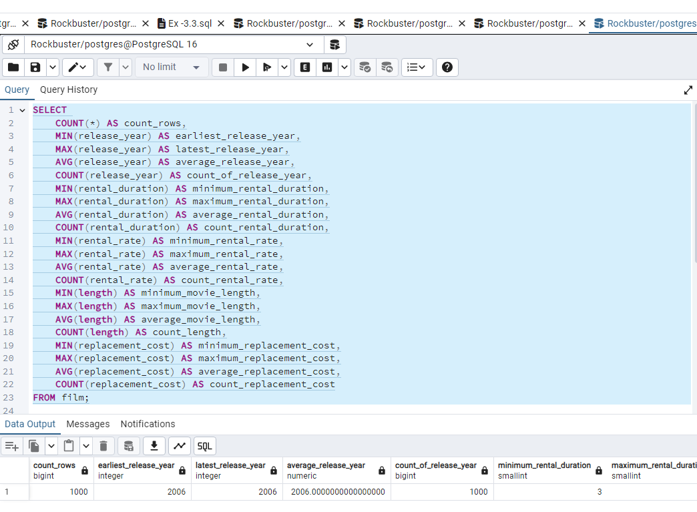
 |  |  |  |  |  |  |  |  |  |  |  |  |  |  |  |  | SELECT COUNT(*) AS count_rows, MIN(release_year) AS earliest_release_year, MAX(release_year) AS latest_release_year, AVG(release_year) AS average_release_year, COUNT(release_year) AS count_of_release_year, MIN(rental_duration) AS minimum_rental_duration, MAX(rental_duration) AS maximum_rental_duration, AVG(rental_duration) AS average_rental_duration, COUNT(rental_duration) AS count_rental_duration, MIN(rental_rate) AS minimum_rental_rate, MAX(rental_rate) AS maximum_rental_rate, AVG(rental_rate) AS average_rental_rate, COUNT(rental_rate) AS count_rental_rate, MIN(length) AS minimum_movie_length, MAX(length) AS maximum_movie_length, AVG(length) AS average_movie_length, COUNT(length) AS count_length, MIN(replacement_cost) AS minimum_replacement_cost, MAX(replacement_cost) AS maximum_replacement_cost, AVG(replacement_cost) AS average_replacement_cost, COUNT(replacement_cost) AS count_replacement_cost FROM film;

count_rows | earliest_release_year | latest_release_year | average_release_year | count_of_release_year | minimum_rental_duration | maximum_rental_duration | average_rental_duration | count_rental_duration | minimum_rental_rate | maximum_rental_rate | average_rental_rate | count_rental_rate | minimum_movie_length | maximum_movie_length | average_movie_length | count_length | minimum_replacement_cost | maximum_replacement_cost | average_replacement_cost | count_replacement_cost
1000 | 2006 | 2006 | 2006 | 1000 | 3 | 7 | 4.985 | 1000 | 0.99 | 4.99 | 2.98 | 1000 | 46 | 185 | 115.272 | 1000 | 9.99 | 29.99 | 19.984 | 1000

Step-1, 3.7
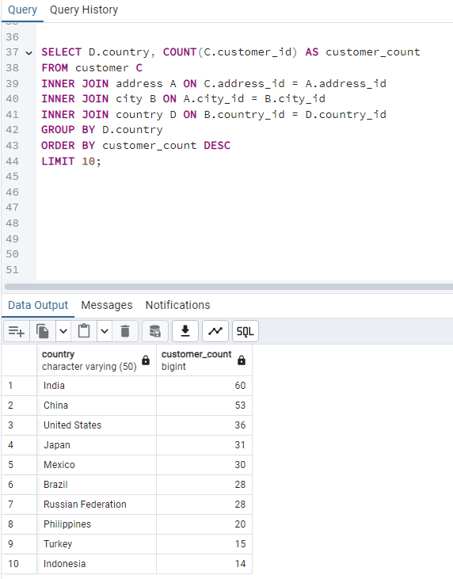
SQL Query SELECT D.country, COUNT(C.customer_id) AS customer_count FROM customer C INNER JOIN address A ON C.address_id = A.address_id INNER JOIN city B ON A.city_id = B.city_id INNER JOIN country D ON B.country_id = D.country_id GROUP BY D.country ORDER BY customer_count DESC LIMIT 10;

Step-2, 3.7
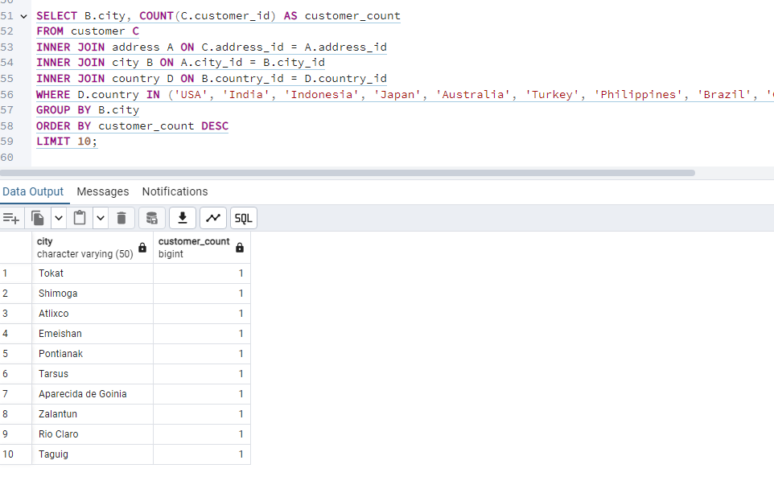
SQL Query SELECT B.city, COUNT(C.customer_id) AS customer_count FROM customer C INNER JOIN address A ON C.address_id = A.address_id INNER JOIN city B ON A.city_id = B.city_id INNER JOIN country D ON B.country_id = D.country_id WHERE D.country IN ('USA', 'India', 'Indonesia', 'Japan', 'Australia', 'Turkey', 'Philippines', 'Brazil', 'China', 'Mexico') GROUP BY B.city ORDER BY customer_count DESC LIMIT 10;

Step-3, 3.7
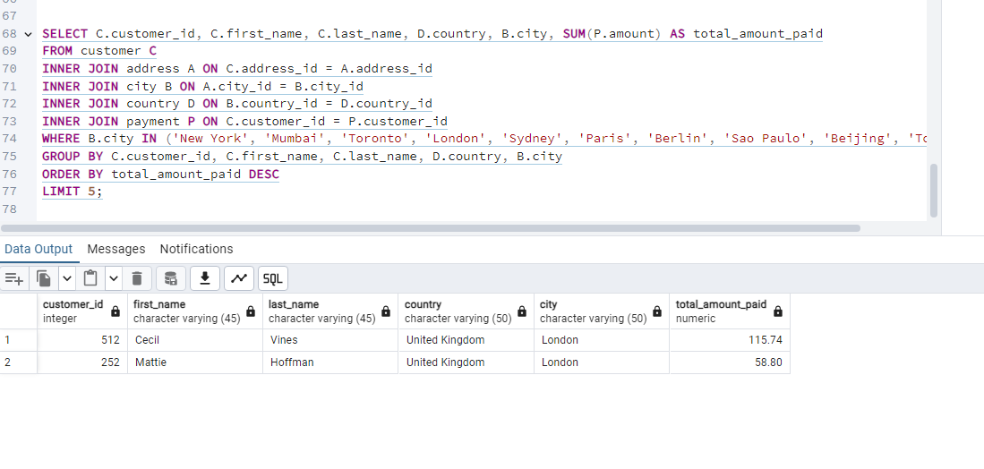
SQL Query SELECT C.customer_id, C.first_name, C.last_name, D.country, B.city, SUM(P.amount) AS total_amount_paid FROM customer C INNER JOIN address A ON C.address_id = A.address_id INNER JOIN city B ON A.city_id = B.city_id INNER JOIN country D ON B.country_id = D.country_id INNER JOIN payment P ON C.customer_id = P.customer_id WHERE B.city IN ('New York', 'Mumbai', 'Toronto', 'London', 'Sydney', 'Paris', 'Berlin', 'Sao Paulo', 'Beijing', 'Tokyo') GROUP BY C.customer_id, C.first_name, C.last_name, D.country, B.city ORDER BY total_amount_paid DESC LIMIT 5;

